Bugs -Report
QA |  |  |  |  |  |  |  |  |  |  |  |  | Dev
Bug ID | ModuleName | Build No | Description | TCID | Steps to replicate bug | Expected results | Actual Results | Screenshot | Sevirity | Priority | Reported By | Assigned to | Resolution | Status | Fixed Date
Bug-001 | web-page (InerG Test App)-Map | 1 | Previously Selected location map point is displayed when we switch back "select a state" function in the drop down | Covid-005 | 1) Launch browser 2) Open URL "https://inerg-test.web.app/" 3) Observe the map-view ( it is not pointing towards any location & Select drop down are in the form of "select a state" Condition ) 4) Click any state in the drop down ( map location will pointing towards the selected state) 5) Again switch back to "Select a state " condition in the drop down | 1) Should Open a browser 2) Should Open a Web page 3) Map page should not point towards any location when the drop down is "select a state" condition 4)Should click any state in the dropdown & map should pointing towards those selected state location 5) Switch back to select a state codition should revert back the original position ( as map should not point out any locations) | 1) Opened browser 2) Opened Web page 3) Map page is not pointed towards any of the location when the drop down is "select a state" condition 4)Able to click any state in the dropdown & map is pointing towards those selected state location 5) Switch back to select a state codition is not revert back the original position ( as map should not point out any locations) | 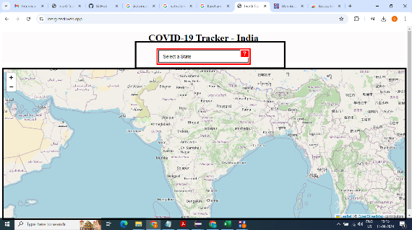 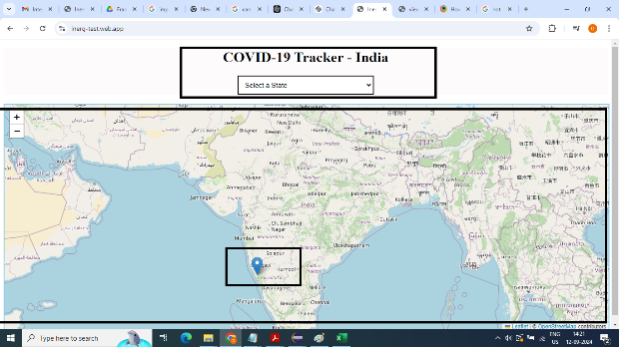 | Minor | Low | Gokul | TBD | TBD | Open | TBD
Accessibility Bugs
Issue ID | Title | Description | Bugs Linked | Root Cause | Priority | Severity | Date Reported | Status | Fixes Implemented | Testing Details | Date Resolved | Resolution Summary | Additional Notes
MasterAccess-001 | Element Interactability failure | Accessibility users unable to interact the dropdown through keyboards Screen readers not able to read the select drop down elements | B-001 B-002 B-003 | Select element must have an accessible name | Medium | Major | 2024-09-12 | Open | TBD | Tested with multiple scenarios | TBD | TBD | None

